ADA BOOST
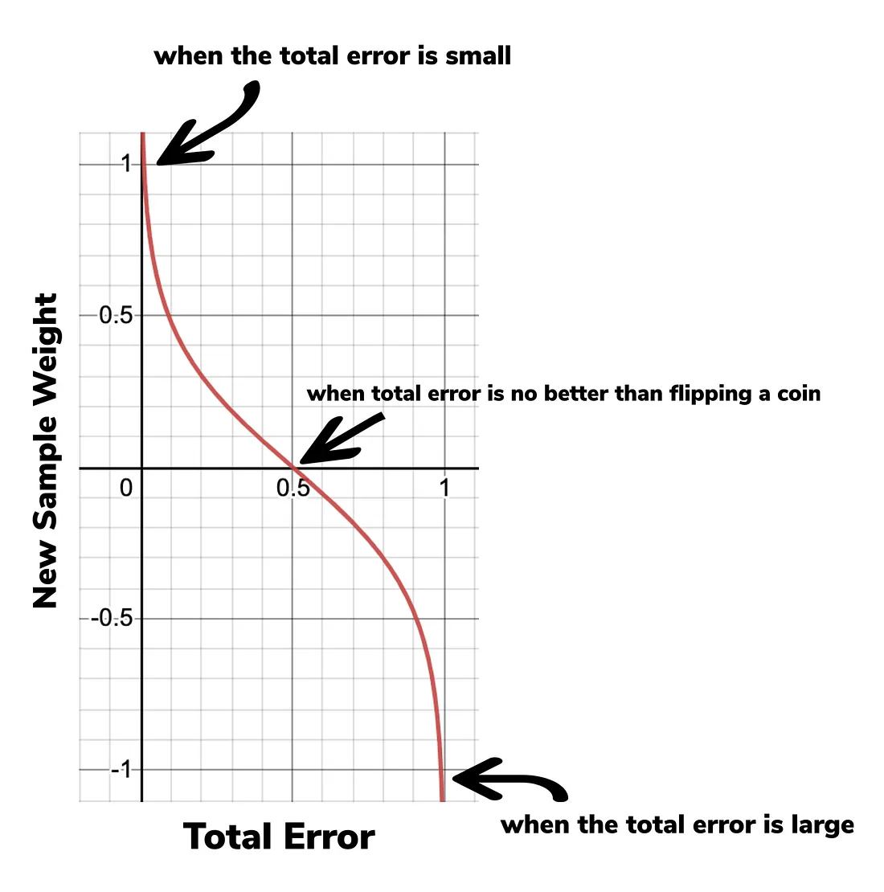
X1 | X2 | X3 | X4 | Y | Y_Pred | Sample Weight | New Weight | Normalized to 1
65 | 80% | 220 | 1.2 | 1 | 1 | 0.25 | 0.20 | 0.22 | 1.101108323
80 | 10% | 111 | 0.8 | 0 | 0 | 0.25 | 0.20 | 0.22
72 | 55% | 324 | 0.12 | 0 | 1 | 0.25 | 0.32 | 0.35
62 | 100% | 564 | 3.4 | 1 | 1 | 0.25 | 0.20 | 0.22
 |  |  |  |  |  |  | 0.91

Total Error for a stump is the sum of the weights associated with the incorrectly classified samples
all of the Sample Weights add up to 1, Total Error will always be between 0 (for a perfect stump) and 1 (for a bad stump).

Amount of Say | =1/2log (1-Total Error/Total Error) |  |  |  |  |  |  |  |  | Amount of Say
 |  |  |  | Bad Prediction | Total Error | 0.25 |  | 3 | 0.4771212547 | 0.2385606274
 |  |  |  | New Sample Weight | Sample Weight * e (Amount of say) |  |  |  |  | 0.32

 |  |  |  | Correct Prediction | Sample Weight *e (- Amount of say) |  |  |  |  | 0.1969402317

Source: Medium

LEARNING RATE
 | Learning Rate | Parameter which determines the step size at which Gradient Descent gets updated at each epcoh (iteration)

 | Default Learning Rate is 0.01
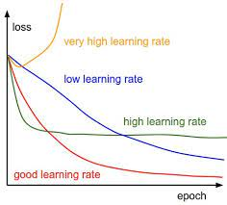

Error/Loss

 |  |  | No of iterations

